login_bug
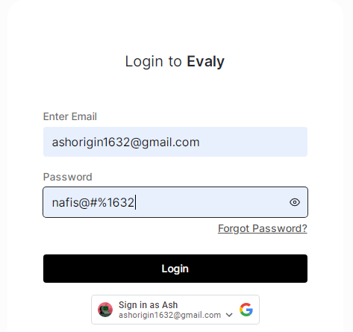
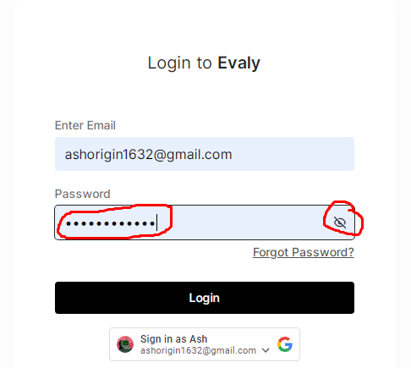
bug ID | precondition | step to bug | bug description | expected result | actual result | priority | enviornment | attatch ments
lg_1 | load the signup page | 1. go to signup page 2. try to login with unregistered email account | when we enter the unregistered email we do not get any caution messege. login page requires a OTP after giving a unregistered email | 1. should not send OTP to an unregistered email 2. should be able to find out the unregistered email and show messege | 1. OTP send to a unregistered email 2. didnt find out the unregistered email and didnt show any messege about the email | high | windows
lg_2 | load the login page | 1. go to the login page 2. enter email 3. click forgot password | 1. after entering a email that has not signed up by evaly account forms do not send otp when we change the password, hence it should send an OTP as one time password to login | should send OTP to evaly accounts. It sends OTP to only directly signed up google accounts | didnt send OTP | high | windows
lg_3 | load the login page | 1. go to login page 2. enter password 3. click the hide/unhide button for password | in password section, The hide button unhide the password, unhide button hides the password | hide button should hide the password, unhide button should unhide the password | hide button unhide the password unhide button hides the password | high | windows

cart bug
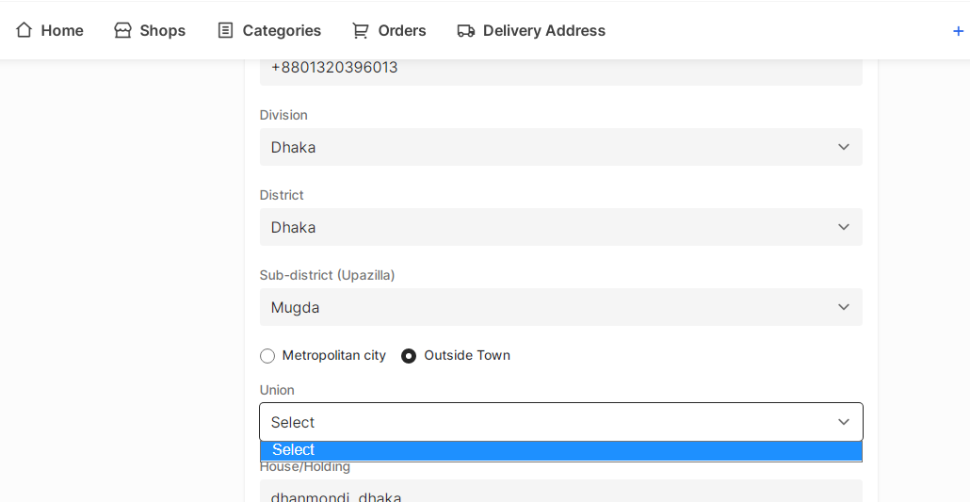
bug ID | precondition | step to bug | bug description | expected result | acutal result | status | priority | attatchments
1 | load the dash board 2. select the address navigation | 1. go to dashboad board 2. select ''delivery address'' in navigation | if we select the ''outside town'' check box and give inside town information then system should figureout that this is not outside town address. - system should not continue submission - the union form in empty. login continued with empty UNION. Rather that system should find out the false address | - address submission should not continue | - address submission continued | fail | high

 |  |  |  |  |  |  |  |  | before loggin out we added a product to the cart | after log out and again login to another ID
2 | load the cart | 1. add product to the cart 2. log out and login to another ID | - if we add a product to the cart and log in to another ID with same product the product still exists. | - the added product should be reset while loggin out | - added product didnt reseted with new ID | fail | high

profile_bug
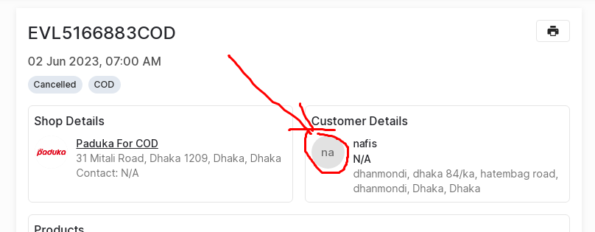
bug ID | precondition | steps to bug | bug description | expected result | actual result | priority | attatchments
1 | load the ''order'' navigation | 1. go to homepage 2. click on order navigation 3. click on a order details | in the previous order details the clients profile picture is set to default but it should show the clients accounts picture | should show the clients accounts picture | default profile picture is displayed | high

2 |  |  | when we cancel the order, the cancellation time is accordint to the computer of the client but it should show the international time in the cancellation time | should show the international time because computer time could be wrong sometimes | displaying local time | high

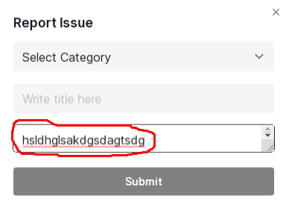
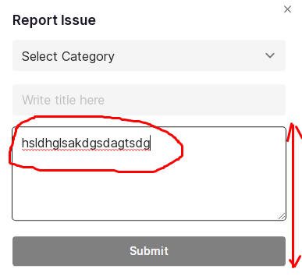
3 |  |  | in the resize box, if we resize the box to a particular size then the text loses quality | resize box should contain a qualitiful texts after resizing the box | text quality loses after resiziing the text box of ''details text box'' | medium | after resizing |  | before resizing

4 |  |  | in the text box if we write any sentences and after meeting the max height and width it automatically broads but after that the text quality decreases | text quality should be high | text quality decreased | medium | before meets the max height and width | after meets the max height and width
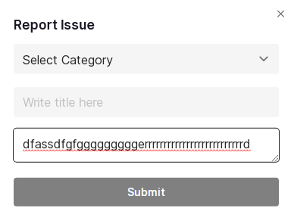
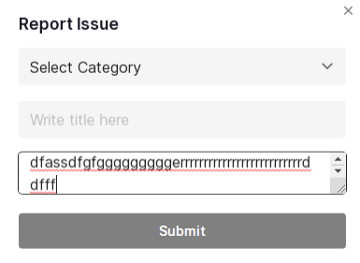

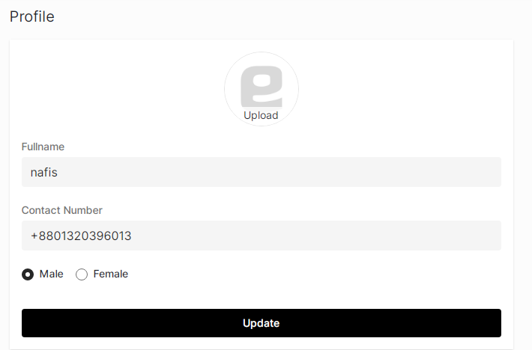
5 |  |  | in the profile picture section if we try to change profile picture then all information saved messege appears but profile picture is not changing | profile picture should change | profile picture didnt change | high | this is shown in profile picture seciton after changing the profile picture

6 |  |  | after changing the name in profile, the name is not changed. the name is displaying the google accounts name / first time sign in inputed name | should change the profile name | didnt change the profile name

search products_bug
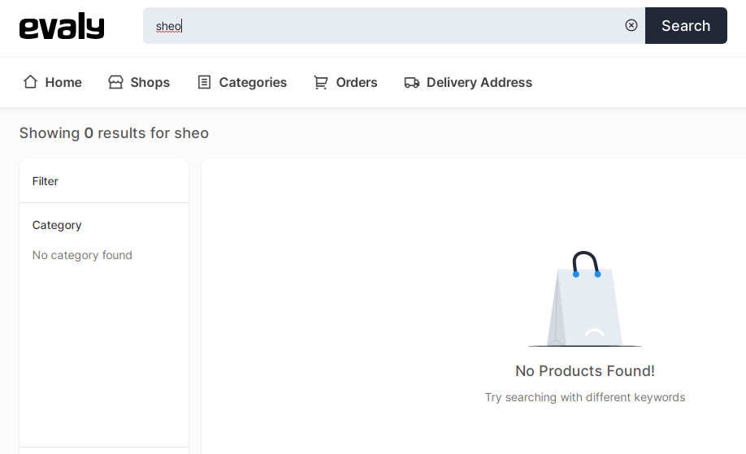
bug ID | precondition | steps to bug | bug descriiption | expected result | actual result | priority | attatchments
1 | 1. come to dashboard 2. search products | 1. go to dashboard 2. search any product with mispelling | when we try to search product with mispelling it doesnot show the product with automatically correction word. basically it is a common and user friendly feature | should automatically correct the word and find the right product | didnt automaticallly correct and couldnt find the product if the spelling doesnt match | medium

 |  |  |  |  |  |  | searched ''sheo'' instead of ''shoe'' and it couldnt respell

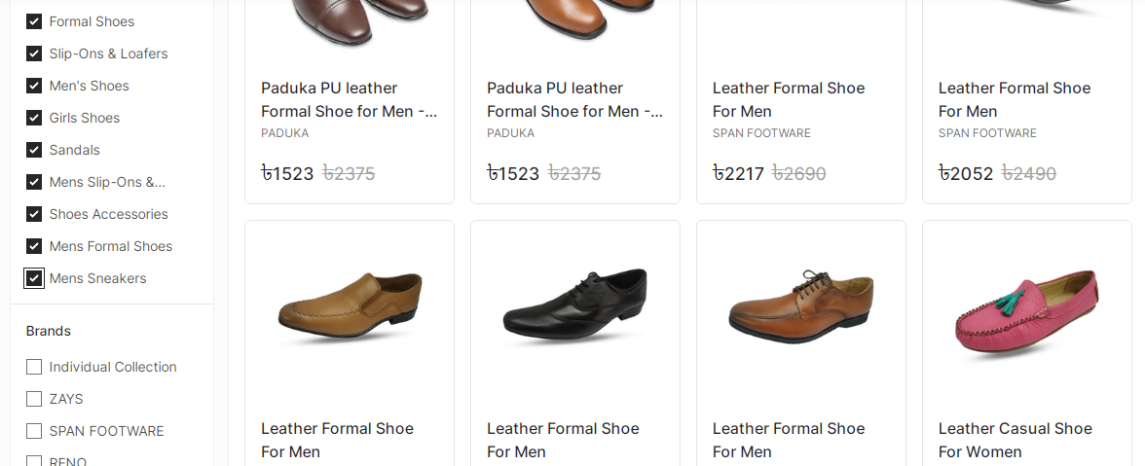
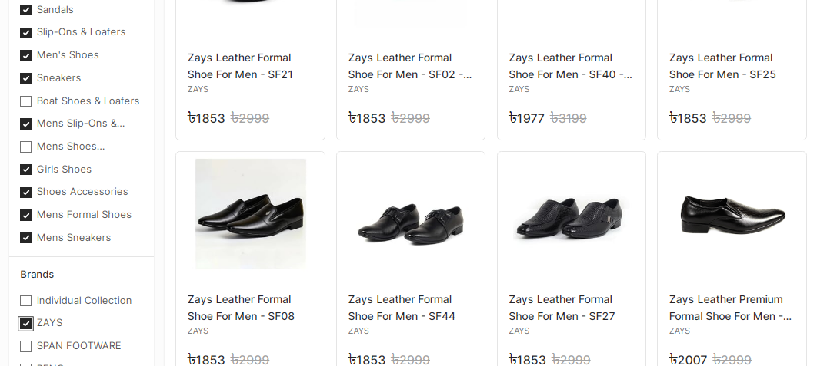
2 | search product and see the category and brand section | 1. select all the category 2. beneath the category- select a brand | basically after chosing a brand some category is unselected. It should be unselected if there is no such brands product available. but there are products available | 1. category should be selected after chosing a brand if there is such product that belong to that brand | 1. in some cases category become unselected though it has the product which belong to the brand | high
 |  |  |  |  |  |  | selected all category but not the brand | after selecting a brand

3 | 1. come to dashboard 2. click on category navigation | 1. click on category navigation 2. select a category above | after clicking the category the products lists comes according to the category that has been selected. But the headling of the listing is some pixel above from where it should be. It should be in customers eye sight | headline should be in clients eye sight and visible | headline is not visible headline is some pixels above from where it should be | high

4 | 1. load a product page | 1. select any product 2. go to product page 3. click on price sorting button | if we click the sort button continuosly then try to return to the back page it wont go back. after the same amount of back click needed that we clicked to the sorting button - it means how many times we click on sort button it creates a new page. Then if we try to go back it is going through all the pages that we have created | should retuen to the back page immedietely after clicking the back button. | didnt go back after clicking the back button instead of that - it back to the created new page that has been created at every time we click the price sorting button | high

5 | load a product page | 1. select a product 2. check the product quantity | sometimes if we click the product that it wont show any products avialable where all products should be available. If not then at least a messege should be appear in the product display so that client do not have to click the product to check if that product is available | 1. should contain all product 2. or should display product unavailablity | 1. not all products are available 2. not showing product unavailablity in product display | low

